Blue vs White
Winnipeg Rising Star
Date of Game: | 2025-05-10
Time of Game | 8:45:00
Category | 15-17 years old

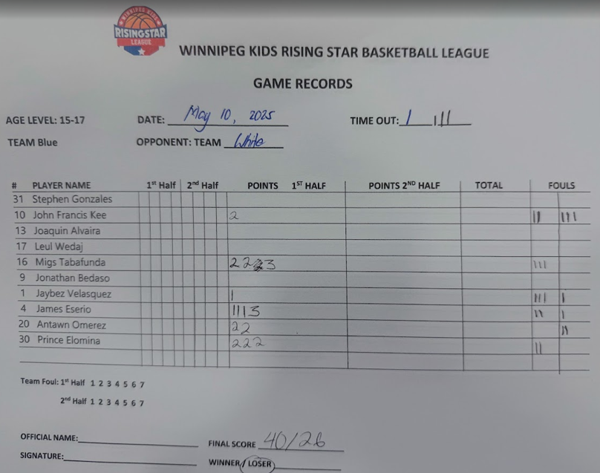
Blue
Player No. | PTS | FGM | FGA | FG_PCT | 3PTM | 3PA | 3P% | FTM | FTA | FT% | OREB | DREB | REB | AST | STL | BLK | TOV | PF
Player 20 | 4 | 2 | 5 | 40% | 0 | 0 | 0% | 0 | 0 | 0% | 4 | 4 | 8 | 1 | 3 | 0 | 3 | 2
Player 30 | 6 | 3 | 6 | 50% | 0 | 2 | 0% | 0 | 0 | 0% | 2 | 6 | 8 | 0 | 0 | 2 | 3 | 3
Player 31 | 0 | 0 | 0 | 0% | 0 | 0 | 0% | 0 | 0 | 0% | 1 | 0 | 1 | 1 | 0 | 0 | 2 | 0
Player 1 | 1 | 0 | 7 | 0% | 0 | 6 | 0% | 1 | 2 | 50% | 1 | 1 | 2 | 0 | 1 | 0 | 2 | 4
Player 4 | 6 | 1 | 5 | 20% | 1 | 4 | 25% | 3 | 4 | 75% | 0 | 2 | 3 | 1 | 0 | 0 | 0 | 2
Player 10 | 2 | 1 | 1 | 100% | 0 | 0 | 0 | 0 | 0 | 0 | 0 | 0 | 0 | 1 | 0 | 1 | 2 | 5
Player 16 | 9 | 4 | 12 | 25% | 1 | 7 | 14.00% | 0 | 0 | 0 | 0 | 2 | 2 | 0 | 0 | 0 | 6 | 3

White
Player No. | PTS | FGM | FGA | FG_PCT | 3PTM | 3PA | 3P% | FTM | FTA | FT% | OREB | DREB | REB | AST | STL | BLK | TOV | PF
Player 10 | 2 | 1 | 6 | 17% | 0 | 1 | 0% | 0 | 0 | 0% | 2 | 5 | 7 | 0 | 3 | 0 | 1 | 1
Player 8 | 9 | 3 | 5 | 60% | 0 | 0 | 0% | 4 | 6 | 67% | 0 | 2 | 2 | 0 | 0 | 0 | 0 | 2
Player 11 | 6 | 2 | 7 | 29% | 0 | 0 | 0% | 2 | 5 | 40% | 1 | 3 | 4 | 1 | 2 | 0 | 1 | 0
Player 111 | 14 | 4 | 8 | 50% | 2 | 4 | 50% | 4 | 4 | 100% | 0 | 1 | 1 | 0 | 2 | 0 | 1 | 0
Player 9 | 4 | 2 | 6 | 33% | 0 | 3 | 0% | 0 | 4 | 0% | 3 | 2 | 5 | 0 | 1 | 0 | 1 | 2
Player 0 | 2 | 0 | 2 | 0% | 0 | 0 | 0 | 2 | 2 | 100% | 2 | 3 | 5 | 0 | 0 | 0 | 0 | 2
Player 15 | 2 | 1 | 4 | 25% | 0 | 1 | 0 | 0 | 4 | 0 | 2 | 0 | 0 | 0 | 1 | 0 | 2 | 4

Key Players To Watch Out For
1
2

Team Strengths
1
2
 |  |  | Blue
Suggested Game Strategy

 |  |  | Player No.

